General
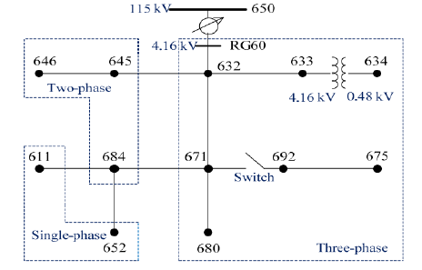
 | Accuracy
1_Barra | 73.809524 | 632 | Line.632633
2_Barras | 92.592593 | 671 | 632 | Line.671692 | Line.632633
3_Barras | 96.693122 | 633 | 671 | 632 | Line.632633 | Line.671692 | Line.650632
4_Barras | 98.148148 | 633 | 671 | 646 | 632 | Line.632633 | Line.670671 | Line.645646 | Line.650632
5_Barras | 99.338624 | 633 | 671 | 646 | 611 | 632 | Line.632633 | Line.671680 | Line.645646 | Line.684611 | Line.650632
6_Barras | 99.470899 | 633 | 671 | 646 | 611 | 632 | 684 | Line.632633 | Line.671680 | Line.645646 | Line.684611
7_Barras | 99.470899 | 633 | 634 | 671 | 646 | 611 | 632 | 684 | Line.632633 | Line.671680 | Line.645646 | Line.684611
8_Barras | 99.338624 | 633 | 634 | 671 | 646 | 692 | 611 | 632 | 684 | Line.632633 | Line.671692 | Line.645646 | Line.684611
9_Barras | 99.338624 | 633 | 634 | 671 | 645 | 646 | 692 | 611 | 632 | 684 | Line.632633 | Line.671692 | Line.645646 | Line.684611
10_Barras | 99.338624 | 633 | 634 | 671 | 645 | 646 | 692 | 675 | 611 | 632 | 684 | Line.632633 | Line.670671 | Line.632645 | Line.645646 | Line.692675 | Line.684611 | Line.650632 | Line.671684
11_Barras | 98.941799 | 633 | 634 | 671 | 645 | 646 | 692 | 675 | 611 | 632 | 680 | 684 | Line.632633 | Line.670671 | Line.645646 | Line.692675 | Line.684611 | Line.632670 | Line.671680
12_Barras | 98.941799 | 633 | 634 | 671 | 645 | 646 | 692 | 675 | 611 | 652 | 632 | 680 | 684 | Line.632633 | Line.671680 | Line.632645 | Line.645646 | Line.692675 | Line.684611 | Line.684652
13_Barras | 98.544974 | 633 | 634 | 671 | 645 | 646 | 692 | 675 | 611 | 652 | 670 | 632 | 680 | 684 | Line.632633 | Line.670671 | Line.645646 | Line.692675 | Line.684611 | Line.684652 | Line.632670 | Line.671680
14_Barras | 98.280423 | rg60 | 633 | 634 | 671 | 645 | 646 | 692 | 675 | 611 | 652 | 670 | 632 | 680 | 684 | Line.650632 | Line.632633 | Line.670671 | Line.632645 | Line.645646 | Line.692675 | Line.684611 | Line.684652 | Line.632670 | Line.671680 | Line.671684
15_Barras | 97.486772 | 650 | rg60 | 633 | 634 | 671 | 645 | 646 | 692 | 675 | 611 | 652 | 670 | 632 | 680 | 684 | Line.650632 | Line.632633 | Line.670671 | Line.632645 | Line.645646 | Line.692675 | Line.684611 | Line.684652 | Line.632670 | Line.671680
16_Barras | 97.222222 | sourcebus | 650 | rg60 | 633 | 634 | 671 | 645 | 646 | 692 | 675 | 611 | 652 | 670 | 632 | 680 | 684 | Line.650632 | Line.632633 | Line.670671 | Line.632645 | Line.645646 | Line.692675 | Line.684611 | Line.684652 | Line.671680

